E2E Volume Bridge
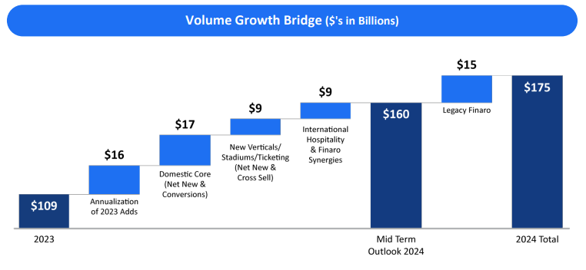
FOUR |  |  |  |  | 5/19/25
E2E Volume Bridge
($ in millions, unless otherwise noted)

 | FY22 | FY23 | FY24e | FY25e

E2E Volume Bridge
E2E Volume, BoP | 46,678 | 71,588 | 109,034 | 164,864
Annualization of Prior Year Customer Adds | 8,000 | 12,910 | 16,000 | 22,473
Net New Customers + Gateway Conversion | 12,910 | 16,000 | 22,473 | 24,848
SSS Growth + Cross-Sell | 4,000 | 5,637 | 5,452 | 8,243
Finaro Acquisition | - | 2,900 | 11,905 | -
E2E Volume, EoP | 71,588 | 109,034 | 164,864 | 220,427

Y/Y % Change
Annualization of Prior Year Customer Adds | 17% | 18% | 15% | 14%
Net New Customers + Gateway Conversion | 28% | 22% | 21% | 15%
SSS Growth + Cross-Sell | 9% | 8% | 5% | 5%
Finaro Acquisition | - | 4% | 11% | -
Total Growth | 53% | 52% | 51% | 34%

2022 Volume Bridge (3/1/22)
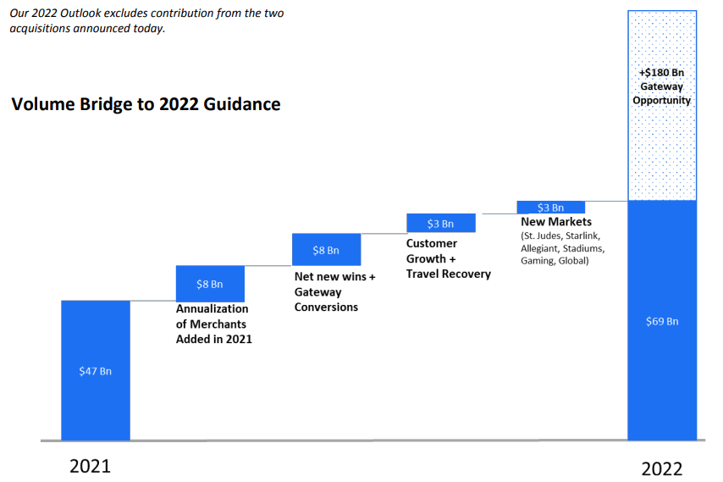

2024 Volume Bridge (11/8/23)

